Input Terminations
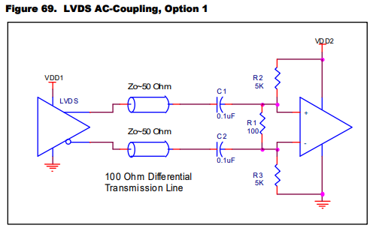
Differential Inputs:
The GUI allows the user to select the input levels. The underlying code will set the appropriate register to NMOS for LVDS/LVPECL/CML and PMOS for HCSL/HSTL/SSTL
Terminations should then correspond to the type of signal input.
For terminations examples, reference |  | https://www.idt.com/document/apn/953-quick-guide-output-terminations

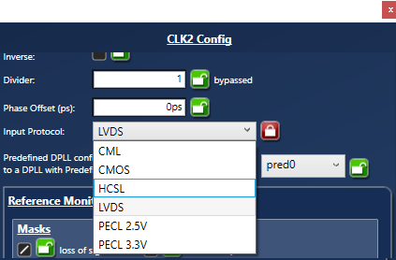
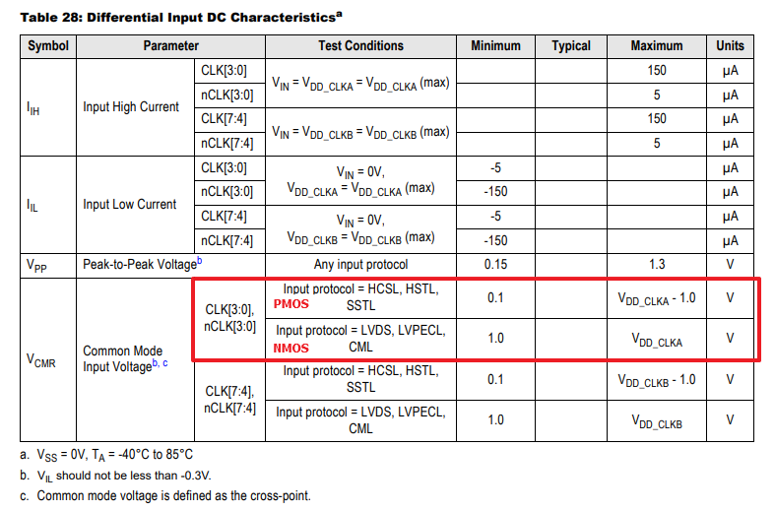

 | LVPECL DC-Coupled

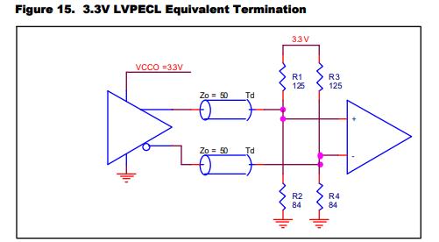
 |  |  | Note: if the driver is the 8A34x chip, do not use this termination scheme. Use the LVDS terminations scheme.

 | LVPECL AC-Coupled

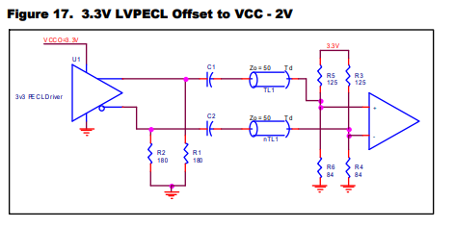
 |  |  | Note: if the driver is the 8A34x chip, then the 180pulldown resistors should not be used.

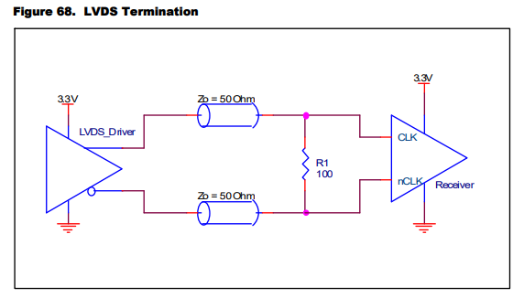
 | LVDS DC-Coupled

 | LVDS AC-Coupled

Output Terminations
For dc-coupled differential outputs, only a single 100ohm differential resistor is needed at the receiver. Be sure to set the output amplitude and offset correctly in the Timing Commander configuration
Do not use a pulldown resistor.

Termination scheme for dc-coupled differential outputs. This should be used for the standard selections provided in the GUI, such as LVPECL (2.5V/3.3V) or LVDS
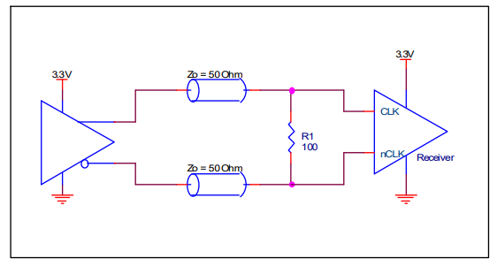

For translation to other output types, ac-couple and rebias the dc-offset.

Example Termination for HCSL (set the Amplitude to 750mV): |  | Example Termination for ac-coupling to a 3.3V LVPECL receiver. Note that no pull-downs are used at the driver.
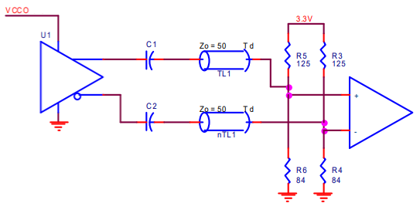
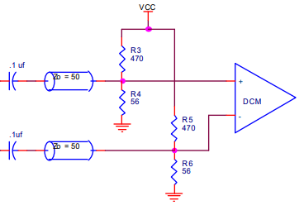

Example CML Termination: (Set output to 750mV amplitude)
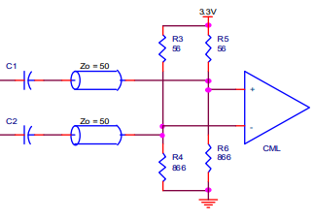

For more terminations examples, reference | https://www.idt.com/document/apn/953-quick-guide-output-terminations

For LVCMOS, use this termination. Rs should be adjusted according to the Ro setting in the GUI.

 |  | Ro (ohm) | Rs (ohm)
 |  | 60 | 0
 |  | 48 | 0
 |  | 44 | 5
 |  | 40 | 10
 |  | 38 | 12
 |  | 29 | 21
 |  | 28 | 22
 |  | 25 | 25
 |  | 23 | 27
 |  | 20 | 30
 |  | 18 | 32
 |  | 16 | 34
 |  | 15 | 35

