Schematic Checklist
Customer
Schematic
Reviewer
Date
Part # | RC38612

Power Up | If this is for a custom dash-code, then 4 GPIOs must be selected for the configuration selection at startup. Note that GPIOs that are not bonded out for the smaller packages have internal pullups. Also, a GPIO pin can be used to prevent the EEPROM from loading at power-up and thus speed up the configuration load time.
Configuration selection GPIOs
EEPROM Load Disable GPIO

72 QFN Pin | Name | Category | Requirements | Recommendation | Schematic | TCS file | Review Status | Customer Feedback | Renesas Response
1 | OSCO | Misc | CL=12pF, Tuning Cap =10pF | See Data Sheet Table 39 for recommended values for C_L
2 | OSCI | Input Signal | 25M to 50M XTAL
3 | VDDA_PDCP_XTAL | Power | 3.3V or 2.5 (VDDA_PDCP_XTAL and VDDA_LC_BG must be the same voltage) | Be sure the VCCA_SEL in the tcs configuration file matches the schematic
4 | VDDA_FB | Power | 1.8V
5 | nMR | Misc | Internal pullup. Need to tie high for normal operation Tie this to an power supervisor IC that will hold this signal low until the power rails ramp to 80% or use a 10Kohm pull-up to VDD with a 0.47uF capacitor to GND.
6 | VDD_CLK | Power | Clock reference, 1.8V, 2.5V, or 3.3V (must match input clock pull-up voltage in terminations)
7 | XO_DPLL | Input Signal | Single-ended crystal oscillator input for System Digital PLL. The waveform should meet VIL/VIH levels.
8 | CLK0 | Input Signal | 50ohm equiv or 100ohm diff, requires external dc bias, inputs of <=100kHz frequency should be dc-coupled unused CLK can be floated (see Input Terminations tab for more info)
9 | nCLK0 | Input Signal | 50ohm equiv or 100ohm diff, requires external dc bias, inputs of <=100kHz frequency should be dc-coupled unused CLK can be floated (see Input Terminations tab for more info)
10 | CLK1 | Input Signal | 50ohm equiv or 100ohm diff, requires external dc bias, inputs of <=100kHz frequency should be dc-coupled unused CLK can be floated (see Input Terminations tab for more info)
11 | nCLK1 | Input Signal | 50ohm equiv or 100ohm diff, requires external dc bias, inputs of <=100kHz frequency should be dc-coupled unused CLK can be floated (see Input Terminations tab for more info)
12 | CLK2 | Input Signal | 50ohm equiv or 100ohm diff, requires external dc bias, inputs of <=100kHz frequency should be dc-coupled unused CLK can be floated (see Input Terminations tab for more info)
13 | nCLK2 | Input Signal | 50ohm equiv or 100ohm diff, requires external dc bias, inputs of <=100kHz frequency should be dc-coupled unused CLK can be floated (see Input Terminations tab for more info)
14 | CLK3 | Input Signal | 50ohm equiv or 100ohm diff, requires external dc bias, inputs of <=100kHz frequency should be dc-coupled unused CLK can be floated (see Input Terminations tab for more info)
15 | nCLK3 | Input Signal | 50ohm equiv or 100ohm diff, requires external dc bias, inputs of <=100kHz frequency should be dc-coupled unused CLK can be floated (see Input Terminations tab for more info)
16 | VDD_DIG | Power | 1.2V or 1.8V
17 | CLK4 | Input Signal | 50ohm equiv or 100ohm diff, requires external dc bias, inputs of <=100kHz frequency should be dc-coupled unused CLK can be floated (see Input Terminations tab for more info)
18 | nCLK4 | Input Signal | 50ohm equiv or 100ohm diff, requires external dc bias, inputs of <=100kHz frequency should be dc-coupled unused CLK can be floated (see Input Terminations tab for more info)
19 | SCLK | Serial Port: Main and Master serial port for EEPROM at startup (always I2C) | I2C Mode: Pullup SPI Mode: no pullup required | Add series 0-ohm resistor for flexibility. Option: add header for serial communcations Option: if using EEPROM, add header for external programming of the EEPROM
20 | SDIO | Serial Port: Main and Master serial port for EEPROM at startup (always I2C) | Main serial port bi-directional data pin. Used as a bi-directional data pin in I2C and 3-wire SPI modes or operation. Used as Serial Data Output pin in 4-wire SPI mode. Used as SDIO for I2C master for EEPROM | Add series 0-ohm resistor for flexibility. Option: add header for serial communcations Option: if using EEPROM, add header for external programming of the EEPROM
21 | SDI_A1 | Serial Port: Main | Main serial port input. Used as Serial Data In in 4-wire SPI mode and optionally as an Address Bit 1 select input in I2C mode. Unused in 3-wire SPI mode. | Add series 0-ohm resistor for flexibility. Option: add header
22 | CS_A0 | Serial Port: Main | Main serial port input. Used as a Chip Select input in SPI mode and optionally as an Address Bit 0 select input in I2C mode. | Add series 0-ohm resistor for flexibility. Option: add header
23 | FILTER | Loop Filter | Add a 2.2nF capacitor to ground
24 | VDDA_LC_BG | Power | 3.3V or 2.5 (VDDA_PDCP_XTAL and VDDA_LC_BG must be the same voltage) | Be sure the VCCA_SEL in the tcs configuration file matches the schematic
25 | nTEST | Misc | Must be high for normal operation. For JTAG use, be sure to tie this to a controllable signal so that it can be pulled down to enter JTAG Test mode.
26 | GPIO[3] | GPIO
27 | nQ11 | Output | diff 100ohm, Verify schematic vs TCS, See "Output Terminations" tab for more info. Outputs with frequency <=100kHz should be dc-coupled
28 | Q11 | Output | diff 100ohm, Verify schematic vs TCS, See "Output Terminations" tab for more info. Outputs with frequency <=100kHz should be dc-coupled
29 | VDDO_Q11 | Power | 1.8V, 2.5V, or 3.3V (verify tcs vs power rail). Unused banks don't require VDDO connections
30 | VDD_DIA_FOD_B | Power | 1.8V
31 | VDDO_Q7 | Power | 1.8V, 2.5V, or 3.3V (verify tcs vs power rail). Unused banks don't require VDDO connections
32 | Q7 | Output | diff 100ohm, Verify schematic vs TCS, See "Output Terminations" tab for more info. Outputs with frequency <=100kHz should be dc-coupled
33 | nQ7 | Output | diff 100ohm, Verify schematic vs TCS, See "Output Terminations" tab for more info. Outputs with frequency <=100kHz should be dc-coupled
34 | GPIO[9] | GPIO | At startup: GPIO9 =High, serial is I2C, GPIO9=Low, serial is SPI
35 | nQ6 | Output | diff 100ohm, Verify schematic vs TCS, See "Output Terminations" tab for more info. Outputs with frequency <=100kHz should be dc-coupled
36 | Q6 | Output | diff 100ohm, Verify schematic vs TCS, See "Output Terminations" tab for more info. Outputs with frequency <=100kHz should be dc-coupled
37 | VDDO_Q6 | Power | 1.8V, 2.5V, or 3.3V (verify tcs vs power rail). Unused banks don't require VDDO connections
38 | VDDO_Q5 | Power | 1.8V, 2.5V, or 3.3V (verify tcs vs power rail). Unused banks don't require VDDO connections
39 | Q5 | Output | diff 100ohm, Verify schematic vs TCS, See "Output Terminations" tab for more info. Outputs with frequency <=100kHz should be dc-coupled
40 | nQ5 | Output | diff 100ohm, Verify schematic vs TCS, See "Output Terminations" tab for more info. Outputs with frequency <=100kHz should be dc-coupled
41 | VDDO_Q4 | Power | 1.8V, 2.5V, or 3.3V (verify tcs vs power rail). Unused banks don't require VDDO connections
42 | Q4 | Output | diff 100ohm, Verify schematic vs TCS, See "Output Terminations" tab for more info. Outputs with frequency <=100kHz should be dc-coupled
43 | nQ4 | Output | diff 100ohm, Verify schematic vs TCS, See "Output Terminations" tab for more info. Outputs with frequency <=100kHz should be dc-coupled
44 | VDDO_Q10 | Power | 1.8V, 2.5V, or 3.3V (verify tcs vs power rail). Unused banks don't require VDDO connections
45 | Q10 | Output | diff 100ohm, Verify schematic vs TCS, See "Output Terminations" tab for more info. Outputs with frequency <=100kHz should be dc-coupled
46 | nQ10 | Output | diff 100ohm, Verify schematic vs TCS, See "Output Terminations" tab for more info. Outputs with frequency <=100kHz should be dc-coupled
47 | GPIO[2] | GPIO
48 | VDD_GPIO_FOD | Power | Only 1.8V supported (Verify input VIH for Serial and GPIOs vs this power rail)
49 | GPIO[1] | GPIO
50 | nQ9 | Output | diff 100ohm, Verify schematic vs TCS, See "Output Terminations" tab for more info. Outputs with frequency <=100kHz should be dc-coupled
51 | Q9 | Output | diff 100ohm, Verify schematic vs TCS, See "Output Terminations" tab for more info. Outputs with frequency <=100kHz should be dc-coupled
52 | VDDO_Q9 | Power | 1.8V, 2.5V, or 3.3V (verify tcs vs power rail). Unused banks don't require VDDO connections
53 | nQ3 | Output | diff 100ohm, Verify schematic vs TCS, See "Output Terminations" tab for more info. Outputs with frequency <=100kHz should be dc-coupled
54 | Q3 | Output | diff 100ohm, Verify schematic vs TCS, See "Output Terminations" tab for more info. Outputs with frequency <=100kHz should be dc-coupled
55 | VDDO_Q3 | Power | 1.8V, 2.5V, or 3.3V (verify tcs vs power rail). Unused banks don't require VDDO connections
56 | GPIO[5] | GPIO
57 | nQ2 | Output | diff 100ohm, Verify schematic vs TCS, See "Output Terminations" tab for more info. Outputs with frequency <=100kHz should be dc-coupled
58 | Q2 | Output | diff 100ohm, Verify schematic vs TCS, See "Output Terminations" tab for more info. Outputs with frequency <=100kHz should be dc-coupled
59 | VDDO_Q2 | Power | 1.8V, 2.5V, or 3.3V (verify tcs vs power rail). Unused banks don't require VDDO connections
60 | VDDO_Q1 | Power | 1.8V, 2.5V, or 3.3V (verify tcs vs power rail). Unused banks don't require VDDO connections
61 | Q1 | Output | diff 100ohm, Verify schematic vs TCS, See "Output Terminations" tab for more info. Outputs with frequency <=100kHz should be dc-coupled
62 | nQ1 | Output | diff 100ohm, Verify schematic vs TCS, See "Output Terminations" tab for more info. Outputs with frequency <=100kHz should be dc-coupled
63 | GPIO[4] | GPIO
64 | nQ0 | Output | diff 100ohm, Verify schematic vs TCS, See "Output Terminations" tab for more info. Outputs with frequency <=100kHz should be dc-coupled
65 | Q0 | Output | diff 100ohm, Verify schematic vs TCS, See "Output Terminations" tab for more info. Outputs with frequency <=100kHz should be dc-coupled
66 | VDDO_Q0 | Power | 1.8V, 2.5V, or 3.3V (verify tcs vs power rail). Unused banks don't require VDDO connections
67 | VDD_DIA_FOD_A | Power | Only 1.8V supported
68 | VDDO_Q8 | Power | 1.8V, 2.5V, or 3.3V (verify tcs vs power rail). Unused banks don't require VDDO connections
69 | Q8 | Output | diff 100ohm, Verify schematic vs TCS, See "Output Terminations" tab for more info. Outputs with frequency <=100kHz should be dc-coupled
70 | nQ8 | Output | diff 100ohm, Verify schematic vs TCS, See "Outut Terminations" tab for more info
71 | GPIO[0] | GPIO
72 | CREG_XTAL | Filter | Add a 10uF capacitor to ground
EPAD | VSS | Ground | Device ePAD must be connected to ground
- | EEPROM |  | I2C EEPROM | Place a socket for Prototype boards

This device uses a 1 Mbit serial I2C EEPROM arranged as 24x1024). Renesas recommends the Rohm BR24G1M-3A or On Semiconductor CAT24M01. Other compatible devices can also be use. To use these devices in the GUI, select EEPROM type as “Other” then select the type and address. The correct addressing must be used when generating a hex file for an external programmer or directly programming a device to ensure that the ClockMatrix will correctly load the EEPROM at boot. For EEPROM device compatibility on the same board, Renesas recommends setting A2 high and A1/A0 low for all devices.
Device specific notes (with addressing examples for A2 high and A1/A0 low):
For the Rohm BR24G1M-3A, the A0 is “don’t use” and can be any value but must be connected. The 0x54/0x55 device address and the “24x1024” type should be used.
For the On Semiconductor CAT24M01, A2 is NC (not connected) per the data sheet. The 0x54/0x55 device address and the “24x1024” type should be used.
Note: The two address for the first and second address reference the different parts of the EEPROM.
Note: Please see the manufacturers’ data sheets for more information.

Input Terminations
Differential Inputs:
There are two settings, NMOS and PMOS, on the input clock buffer which afford the user flexibility on the input levels. The tcs file should select NMOS for LVDS/LVPECL/CML and PMOS for HCSL/HSTL/SSTL
Terminations should then correspond to the type of signal input.
For terminations examples, reference |  | AN-953 Quick Guide - Output Terminations (renesas.com)

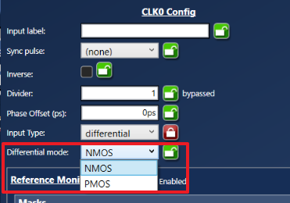
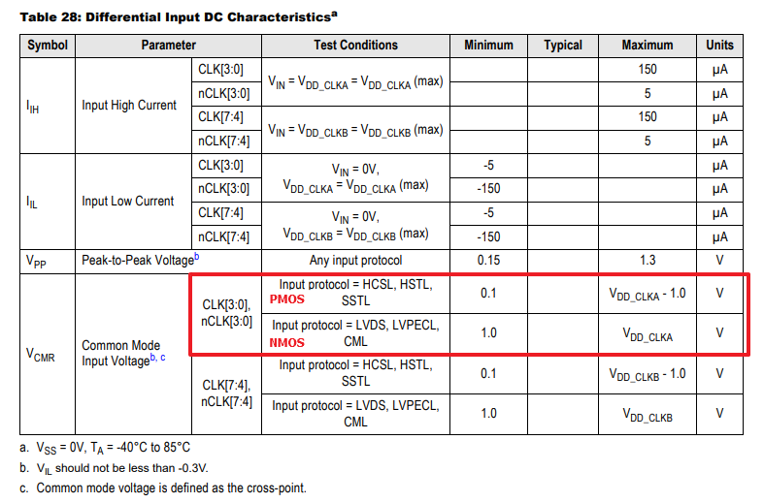

 | LVPECL DC-Coupled

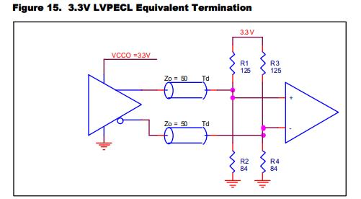
 |  |  | Note: if the driver is the 8A34x chip, do not use this termination scheme. Use the LVDS terminations scheme.

 | LVPECL AC-Coupled

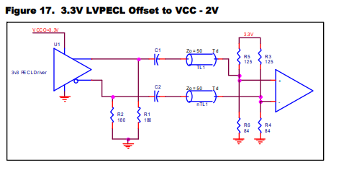
 |  |  | Note: if the driver is the 8A34x chip, then the 180pulldown resistors should not be used.

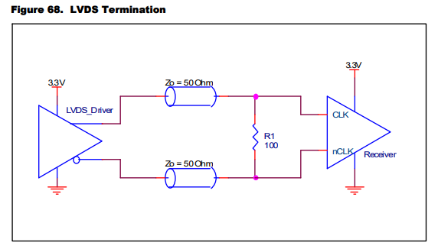
 | LVDS DC-Coupled

 | LVDS AC-Coupled
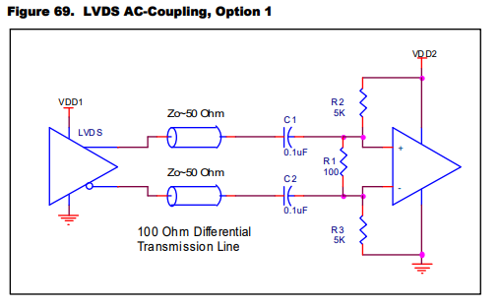

 | CML

 | HCSL with ac-coupling

Output Terminations
For dc-coupled differential outputs, only a single 100ohm differential resistor is needed at the receiver. Be sure to set the output amplitude and offset correctly in the Timing Commander configuration
Do not use a pulldown resistor.

Termination scheme for dc-coupled differential outputs. This should be used for the standard selections provided in the GUI, such as LVPECL (2.5V/3.3V) or LVDS
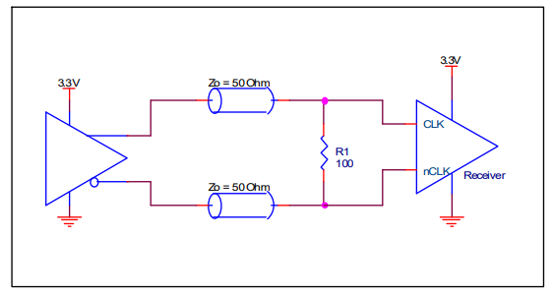

 |  |  |  | h

For translation to other output types, ac-couple and rebias the dc-offset.

Example Termination for HCSL (set the Amplitude to 750mV): |  | Example Termination for ac-coupling to a 3.3V LVPECL receiver. Note that no pull-downs are used at the driver.
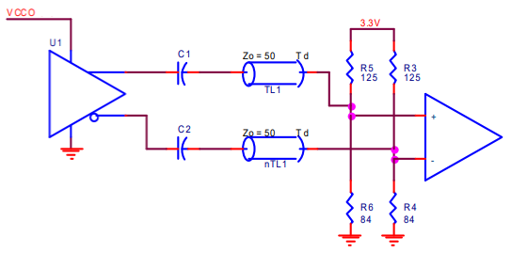
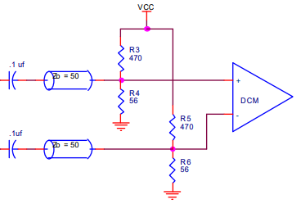

Example CML Termination: (Set output to 750mV amplitude)

For more terminations examples, reference | AN-953 Quick Guide - Output Terminations (renesas.com)

For LVCMOS, use this termination. Rs should be adjusted according to the Ro setting in the GUI.

 |  | Ro (ohm) | Rs (ohm)
 |  | 60 | 0
 |  | 48 | 0
 |  | 44 | 5
 |  | 40 | 10
 |  | 38 | 12
 |  | 29 | 21
 |  | 28 | 22
 |  | 25 | 25
 |  | 23 | 27
 |  | 20 | 30
 |  | 18 | 32
 |  | 16 | 34
 |  | 15 | 35

