Power Supply Filtering
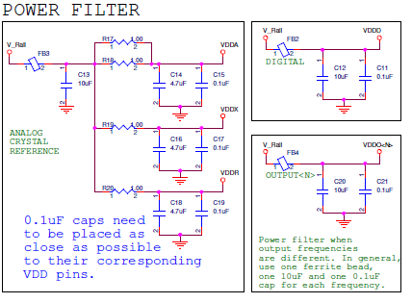

Input Terminations
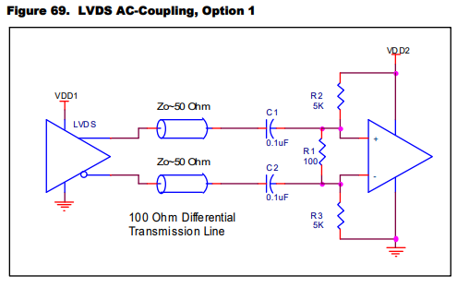
Overdriving the Crystal Interface with an XO
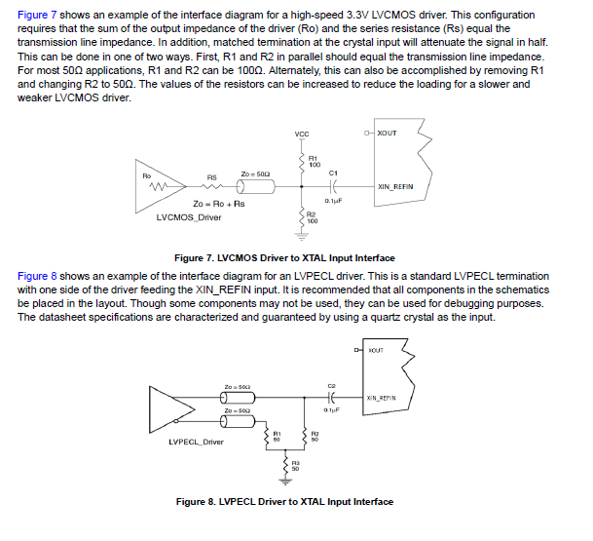

Differential Inputs:
VC7 accepts differential input clocks including LVDS, LVPECL, HCSL, CML. Please make sure there are proper terminations for each type of differential input clock. If ac-coupling is used, please
provide proper DC offset after ac-coupling capacitors as VC7 input clock pins does not have internal DC-offset.

For terminations examples, reference |  | https://www.idt.com/document/apn/953-quick-guide-output-terminations

 | LVPECL DC-Coupled

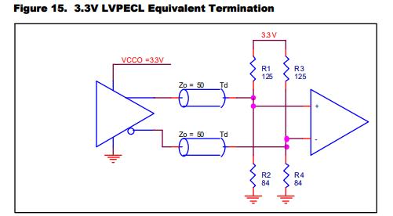
 |  |  | Note: if the driver is the 8A34x chip, do not use this termination scheme. Use the LVDS terminations scheme.

 | LVPECL AC-Coupled

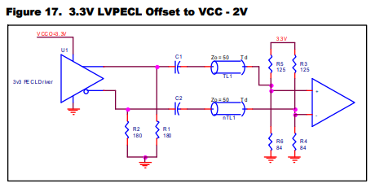
 |  |  | Note: if the driver is the 8A34x chip, then the 180pulldown resistors should not be used.

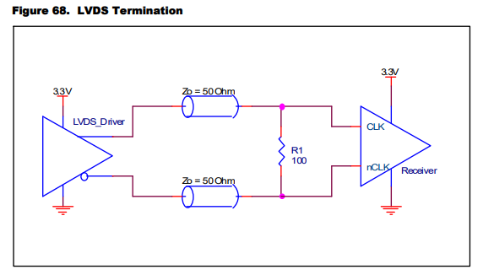
 | LVDS DC-Coupled

 | LVDS AC-Coupled

Output Terminations
1. DC-coupling LP-HCSL Output termination | 5. LP-HCSL to LVDS Converstion without Integrated (internal) terminations
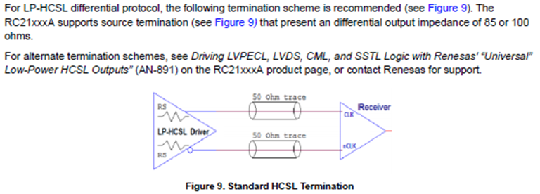
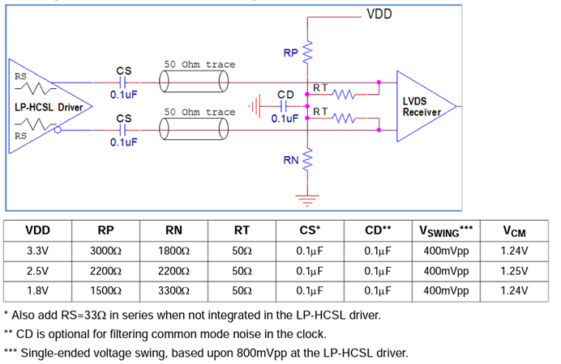

2. LP-HCSL to LVPECL Conversion termination
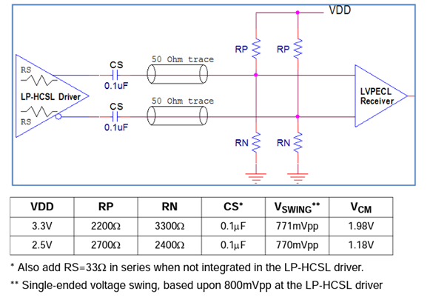

 | 6. LP-HCSL to LVDS Conversion with Integrated (internal) terminations
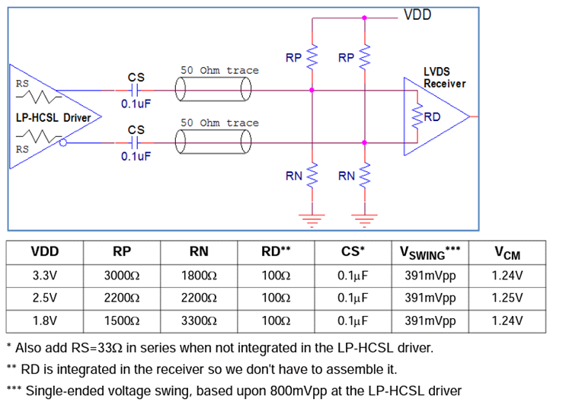

3. LP-HCSL to CML Conversion termination
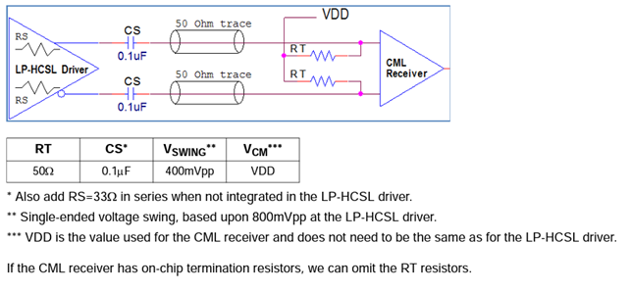

 | 7. For LVCMOS output, use the following termination. Rs should be adjusted to Ro for the LVCMOS driver

 |  | Ro (ohm) | Rs (ohm)
 |  | 60 | 0
 |  | 48 | 0
 |  | 44 | 5
 |  | 40 | 10
 |  | 38 | 12
 |  | 29 | 21
 |  | 28 | 22
4. DC-coupling LVDS Output terminations |  | 25 | 25
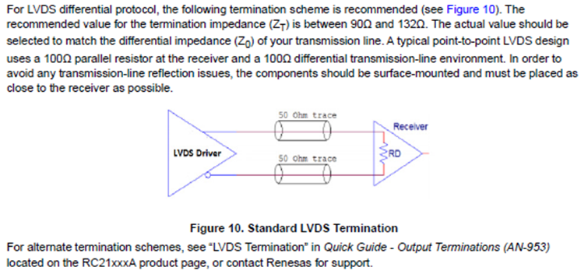
 |  | 23 | 27
 |  | 20 | 30
 |  | 18 | 32
 |  | 16 | 34
 |  | 15 | 35

